Sheet1
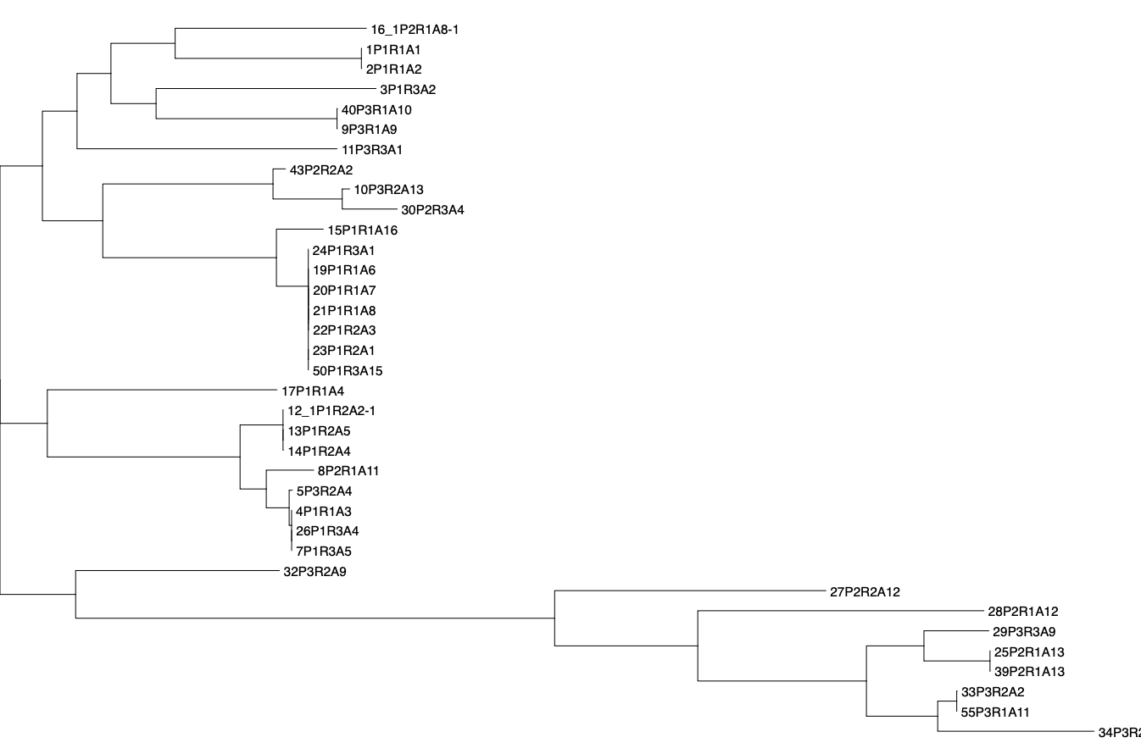
 |  |  |  | Plasmidfinder |  |  |  |  |  |  |  |  |  |  |  |  |  |  |  |  |  |  |  |  |  |  |  |  |  |  |  |  |  |  |  |  |  |  |  | ARG_Annot |  |  |  |  |  |  |  |  |  |  |  |  |  |  |  |  |  |  |  |  |  |  |  |  |  |  |  |  |  |  |  |  |  |  |  |  |  |  |  |  |  |  |  |  |  |  |  |  |  |  |  |  |  |  |  |  |  |  |  | CARD
 |  |  |  | ColKP3 | Col440I | Col440II | Col_pHAD28 | Col156 | ColRNAI | Col_MG828_ | IncFIB_AP001918_ | IncFIB_AP001918 | IncFIB_- | IncFIB_ | IncFIB_K_+ | IncFII_K_ | IncFI- | IncFI- | IncFI- | IncFII_p | IncFII_p | IncFII_pECLA_ | IncFII_pKP91_ | IncI- | IncI2- | IncI2- | IncFIA | FIA_pBK30683_+ | FIA_pBK30683_+ | IncFIA | IncX4_1 | IncX1_1 | IncX1 | IncX4 | IncX4_1 | IncN | IncR | IncY | IncQ1 | Bla_266 | Bla_27 | Bla_49 | Bla_8 | Bla_6 | Bla_209 | Bla_129 | Bla_129 | Bla_153 | Bla_153 | Bla_153 | Bla_25 | Bla_122 | Bla_19 | Bla_19 | Bla_20 | Bla_149 | Bla_150 | Bla_88 | Bla_134 | Rif_4 | Tet_1 | Tet_5 | Tet_26 | Tet_22 | Col_2 | Flq_1 | Flq_3 | Flq_3 | Flq_9 | Flq | MLS_mef_B | MLS_mph_A | Phe_10 | Phe_20 | Phe_39 | Phe_27 | Phe | Sul_1 | Sul_2 | Sul_3 | Tmt_25 | Tmt_21 | AGly_49 | AGly-_1 | AGly_40 | AGly_26 | AGly_28 | AGly_42 | AGly_22 | AGly_55 | AGly-_3 | Fcyn_7 | Fcyn_6 | Fcyn_5 | Fcyn_5 | AAC_6___Ib7 | APH_3___Ia | APH_3____Ib | APH_6__Id | AcrE | AcrF | AcrS | EC_13+ | EC_13+ | CRP | Escherichia_coli_23S | Escherichia_coli_EF_Tu | Escherichia_coli_GlpT | Escherichia_coli_LamB | Escherichia_coli_PtsI | Escherichia_coli_UhpA | Escherichia_coli_UhpT | Escherichia_coli_ampC1 | H_NS | MCR_1 | OmpA | OXA_-_37 | PmrF | TEM_- | QnrB- | TolC | YojI | aadA- | acrA_2 | acrB | acrD | acrR_2 | ampH | bacA | baeR | baeS | catI+ | cpxA | cyaA_1 | dfrA- | emrA | Klebsiella_pneumoniae_KpnH+ | emrE_1 | emrK | emrR | emrY | eptA | evgA | evgS | fabG | fabI | folP_2 | gadW | gadX | gyrA_9 | gyrB_1 | kdpE | marA | marR | mdfA | mdtA | mdtB | mdtC | mdtE | mdtF | mdtG | mdtH | mdtM | mdtN | mdtO | mdtP | mgrB | mipA | mlaD | mlaF | mphA | msbA | murA_2 | nfsA | ompF | parC_3 | parE_1 | porin_OmpC | qacE- | rpoB | rrsB+ | soxR_1 | soxS_1 | sul1 | sul2 | tetR | tet_B_ | ugd
 | # | Point | Strain | ColKP3.1__JN205800 | Col440I.1__CP023920 | Col440II.1__CP023921 | Col_pHAD28_.1__KU674895 | Col156.1__NC_009781 | ColRNAI.1__DQ298019 | Col_MG828_.1__NC_008486 | IncFIB_AP001918_.1__AP001918 | Col_pHAD28_.1__KU674895 | IncFIB_pB171_.1__AB024946 | IncFIB_pB171_.1__AB024946 | IncFIB_K_.1__JN233704 | IncFII_K_.1__CP000648 | IncFII_pSE11_.1__AP009242 | IncFII.1__AY458016 | IncFII_29_.1__CP003035 | IncFII_pHN7A8_.1__JN232517 | IncFII_pRSB107_.1__AJ851089 | IncFII_pECLA_.1__CP001919 | IncFII_pKP91_.1__CP000966 | IncI1_I_Alpha_.1__AP005147 | IncI2.1__KP347127 | IncI2_Delta_.1__AP002527 | IncFIA.1__AP001918 | IncFIA_HI1_.1__AF250878 | FIA_pBK30683_.1__KF954760 | IncFIA.1__AP001918 | IncX4.1__CP002895 | IncX1.2__CP003417 | IncX1.1__EU370913 | IncX4.2__FN543504 | IncX4.1__CP002895 | IncN.1__AY046276 | IncR.1__DQ449578 | IncY.1__K02380 | IncQ1.1__M28829 | Bla.AmpC1_Ecoli_FN649414_2765051_2766355_1302 | Bla.AmpC2_Ecoli_CP002970_332756_333889_1134 | Bla.Penicillin_Binding_Protein_Ecoli_CP002291_664439_666340_1902 | Bla.ampH_Ecoli_AP012030_395554_396711_1158 | Bla.ampH_CP003785_4208384_4209544_1161 | Bla.blaOXA_181_HM992946_1_798_798 | Bla.blaOXY6_1_AJ871873_1_876_876 | Bla.blaOXY1_1_Z30177_349_1224_876 | Bla.blaTEM_95_AJ308558_124_1084_861 | Bla.blaTEM_178_X97254_154_1011_858 | Bla.blaTEM_90_AF351241_90_950_861 | Bla.blaDHA_9_KJ207201_952_2091_1140 | Bla.blaCTX_M_15_JQ686199_261_1136_876 | Bla.blaACT_10_JN848330_1_1146_1146 | Bla.blaACT_6_FJ237366_41_1186_1146 | Bla.blaACT_12_JX440355_752_1897_1146 | Bla.blaLEN_20_AM850910_1_861_861 | Bla.blaOKP_A_15_FJ755841_1_861_861 | Bla.blaSHV_81_AM176556_26_886_861 | Bla.blaOXY2_9_FJ785625_132_1001_870 | Rif.arr3_JF806499_1353_1805_453 | Tet.tetB_AB089594_1_1206_1206 | Tet.tetD_AB089602_1521_2705_1185 | Tet.tetA_JX424423_94438_95712_1275 | Tet.tetR_HF545434_53576_54226_651 | Col.mcr_1.1_KP347127_22413_24038_1626 | Flq.OqxA_EU370913_46652_47827_1176 | Flq.qnrB19_EU432277_1_645_645 | Flq.qnrB6_EF520349_1_681_681 | Flq.qnr_S1_AB187515_9737_10393_657 | Flq.OqxBgb_EU370913_47851_51003_3153 | MLS_mef_B._FJ196385_11084_12313_1230 | MLS_mph_A._DQ445270_1626_2531_1230 | Phe.catA1_V00622_244_903_660 | Phe.catA2_X53796_187_903_648 | Phe.cmlA1_M64556_601_1860_1260 | Phe.catB4_EU935739_59054_59602_549 | Phe.floR_AKLJ01000508_383_1597_1215 | Sul.sul1_AF071413_6700_7539_840 | Sul.sul2_EU360945_1617_2432_816 | Sul.sul3_HQ875016_7396_8187_792 | Tmt.dfrA27_EU675686_2543_3016_474 | Tmt.dfrA17_AB126604_98_571_474 | AGly.aadA5_AF137361_64_852_789 | AGly.aph3_Ia_HQ840942_23569_24384_816 | AGly.strA_AB366441_22458_23261_804 | AGly.strB_FJ474091_264_1100_837 | AGly.aadA1_M95287_3320_4111_792 | AGly.aadA13_AY713504_1_798_798 | AGly.aadA16_EU675686_3197_4042_846 | AGly.aadA2_X68227_66_945_780 | AGly_Flqn_aac_6_._Ib_cr_EF636461_1124_1642_519 | Fcyn.FosA6_KU254579_59422_59841_420 | Fcyn.FosA7_LAPJ01000014_36823_37245_423 | Fcyn.FosA2_EU487198_217_642_426 | Fcyn.FosA_MG028671_1_426_426 | AAC_6___Ib7.3002578.KR091911.1.74564_75350.5850 | APH_3___Ia.3002641.BX664015.1.103017_103833.4475 | APH_3____Ib.3002639.AF313472.15593_16397.545 | APH_6__Id.3002660.AF024602.3155_3992.467 | AcrE.3000499.U00096.3413863_3415021.333 | AcrF.3000502.U00096.3415032_3418137.700 | AcrS.3000656.U00096.3412802_3413465.4558 | ampC.3004290.U00096.3.4377810_4378944.5393 | EC_18.3006878.NG_049083.1.101_1234.6967 | CRP.3000518.AP009048.1.4153663_4154296.4752 | Escherichia_coli_23S.3004173.AE014075.1.237159_240063.4164 | Escherichia_coli_EF_Tu.3003369.AE014075.1.3901532_3902762.4655 | Escherichia_coli_GlpT.3003889.HG738867.2233288_2234647.4617 | Escherichia_coli_LamB.3004126.BA000007.5101244_5102585.4102 | Escherichia_coli_PtsI.3003899.HG738867.2416338_2418066.3675 | Escherichia_coli_UhpA.3003893.HG738867.2930707_2931298.3671 | Escherichia_coli_UhpT.3003890.HG738867.2934266_2935658.3667 | Escherichia_coli_ampC1.3004611.FN649414.1.2765050_2766355.5236 | H_NS.3000676.BA000007.3.1737690_1738104.5476 | MCR_1.1.3003689.KP347127.22412_24038.3390 | OmpA.3005044.FO834906.1.2173974_2175099.6080 | OXA_232.3001778.JX423831.2676_3474.1129 | PmrF.3003578.U00096.2367070_2368039.2115 | TEM_95.3000962.AJ308558.181_1042.933 | QnrB19.3002734.JX298080.433_1078.484 | TolC.3000237.FJ768952.0_1488.563 | YojI.3003952.U00096.3.2306971_2308615.5261 | aadA5.3002605.AF137361.63_852.471 | acrA.3004043.U00096.3.484425_485619.5262 | acrB.3000216.U00096.3.481253_484403.5485 | acrD.3000491.AP009048.1.2586250_2589364.5517 | acrR.3003807.U00096.3.485760_486408.5225 | ampH.3004612.AP012030.1.395553_396711.5238 | bacA.3002986.U00096.3.3203309_3204131.4677 | baeR.3000828.AP009048.1.2166412_2167135.5369 | baeS.3000829.AP009048.2165012_2166416.608 | catI.3002683.V00622.243_903.482 | cpxA.3000830.BA000007.3.4903688_4905062.5407 | cyaA.3003900.HG738867.2786398_2788945.5882 | dfrA17.3002860.DQ838665.0_474.291 | emrA.3000027.AP009048.2810082_2811255.411 | emrB.3000074.U00096.2812615_2814154.20 | emrE.3004039.Z11877.1.485_818.4413 | emrK.3000206.D78168.536_1592.173 | emrR.3000516.U00096.3.2810769_2811300.5286 | emrY.3000254.D78168.1591_3130.65 | eptA.3003576.AP009048.4338624_4340268.4556 | evgA.3000832.BA000007.3.3212025_3212640.5466 | evgS.3000833.U00096.2484373_2487967.178 | fabG.3004049.U00096.3.1150669_1151404.5523 | fabI.3004045.U00096.3.1350250_1351039.5254 | folP.3003386.U00096.3.3324062_3324911.5412 | gadW.3003838.CP015085.1.2551711_2552440.4620 | gadX.3000508.AP009048.1.3974604_3975429.5417 | gyrA.3004335.U00096.3.2336792_2339420.4469 | gyrB.3003303.AP009048.3760295_3762710.2063 | kdpE.3003841.U00096.3.721055_721733.5205 | marA.3000263.AP009048.1.1621287_1621671.5219 | marR.3003378.U00096.1619119_1619554.2097 | mdfA.3001328.JQ394987.0_1233.561 | mdtA.3000792.U00096.2154015_2155263.15 | mdtB.3000793.U00096.2155262_2158385.215 | mdtC.3000794.U00096.2158385_2161463.257 | mdtE.3000795.AP009048.1.3980025_3981183.4673 | mdtF.3000796.U00096.3660413_3663527.286 | mdtG.3001329.CP000800.1.1191727_1192954.4574 | mdtH.3001216.U00096.1124117_1125326.4493 | mdtM.3001214.U00096.3.4567286_4568519.4730 | mdtN.3003548.AP009048.1.4306556_4307588.4705 | mdtO.3003549.AP009048.1.4304505_4306557.4664 | mdtP.3003550.AP009048.1.4303042_4304509.4454 | mgrB.3003820.NC_000913.3.1908622_1908766.5880 | mipA.3004127.NC_002695.2.2467467_2468214.5859 | mlaD.3005042.LR730402.1.3996374_3996926.6078 | mlaF.3005041.LR730402.1.3994770_3995580.6077 | mphA.3000316.D16251.1.1625_2531.5188 | msbA.3003950.U00096.3.966620_968369.5468 | murA.3003775.CP009072.1414817_1416077.3548 | nfsA.3003751.U00096.3.891183_891906.5371 | ompF.3003390.U00096.3.985893_986982.5413 | parC.3003941.AE005674.2.3159154_3161413.5263 | parE.3003316.AP009048.1.3172159_3174052.5533 | porin_OmpC.3004114.KY086517.0_1104.4096 | qacEdelta1.3005010.U49101.1.1490_1838.6045 | rpoB.3003288.BA000007.3.4990267_4994296.5493 | rrsH.3003372.U00096.223771_225312.3228 | soxR.3003381.U00096.4277468_4277933.2074 | soxS.3003511.U00096.3.4277059_4277383.5276 | sul1.3000410.JF969163.1053_1893.340 | sul2.3000412.AY055428.1.20268_21084.4745 | tetR.3003479.AL513383.179218_179845.2090 | tet_B_.3000166.AB089595.0_1206.325 | ugd.3003577.U00096.2098446_2099613.4591
E. coli | 16 | P2 | P2R1A8-1 | 1 | 0 | 0 | 0 | 0 | 0 | 0 | 0 | 0 | 0 | 0 | 0 | 0 | 0 | 0 | 0 | 0 | 0 | 0 | 0 | 0 | 0 | 0 | 0 | 0 | 0 | 0 | 0 | 0 | 0 | 0 | 0 | 0 | 0 | 0 | 0 | 5 | 11 | 1 | 1 | 0 | 1 | 0 | 0 | 0 | 0 | 0 | 0 | 0 | 0 | 0 | 0 | 0 | 0 | 0 | 0 | 0 | 1 | 0 | 0 | 0 | 0 | 0 | 0 | 0 | 0 | 0 | 0 | 0 | 0 | 0 | 0 | 0 | 0 | 0 | 0 | 0 | 0 | 0 | 0 | 0 | 0 | 0 | 0 | 0 | 0 | 0 | 0 | 0 | 0 | 0 | 0 | 0 | 0 | 0 | 0 | 1 | 4 | 2 | 0 | 10 | 1 | 15 | 3 | 1 | 1 | 2 | 1 | 1 | 5 | 1 | 0 | 0 | 1 | 1 | 0 | 0 | 1 | 3 | 0 | 1 | 1 | 2 | 1 | 1 | 1 | 1 | 1 | 0 | 1 | 1 | 0 | 1 | 1 | 2 | 1 | 1 | 1 | 3 | 1 | 9 | 1 | 8 | 5 | 15 | 4 | 2 | 7 | 2 | 1 | 14 | 16 | 2 | 3 | 4 | 1 | 2 | 1 | 1 | 10 | 2 | 8 | 9 | 1 | 2 | 1 | 1 | 0 | 1 | 5 | 8 | 4 | 3 | 1 | 8 | 0 | 11 | 2 | 2 | 1 | 0 | 0 | 0 | 1 | 3
 | 1 | P1 | P1R1A1 | 0 | 7 | 0 | 1 | 0 | 0 | 0 | 0 | 8 | 0 | 0 | 0 | 0 | 10 | 0 | 0 | 0 | 0 | 0 | 0 | 0 | 1 | 0 | 0 | 0 | 0 | 0 | 0 | 0 | 0 | 0 | 0 | 0 | 0 | 0 | 0 | 4 | 10 | 1 | 1 | 0 | 0 | 0 | 0 | 0 | 0 | 0 | 0 | 0 | 0 | 0 | 0 | 0 | 0 | 0 | 0 | 0 | 0 | 0 | 0 | 0 | 1 | 0 | 1 | 0 | 0 | 0 | 0 | 0 | 0 | 0 | 0 | 0 | 0 | 0 | 0 | 0 | 0 | 0 | 0 | 0 | 0 | 0 | 0 | 0 | 0 | 0 | 0 | 0 | 0 | 0 | 0 | 0 | 0 | 0 | 0 | 1 | 4 | 2 | 0 | 1 | 1 | 17 | 6 | 1 | 1 | 2 | 1 | 1 | 4 | 1 | 1 | 2 | 0 | 1 | 0 | 1 | 1 | 3 | 0 | 1 | 1 | 2 | 1 | 1 | 1 | 1 | 2 | 0 | 1 | 1 | 0 | 1 | 1 | 1 | 1 | 1 | 1 | 2 | 1 | 7 | 1 | 8 | 5 | 15 | 4
 | 2 | P1 | P1R1A2 | 0 | 7 | 0 | 1 | 0 | 0 | 0 | 0 | 8 | 0 | 0 | 0 | 0 | 10 | 0 | 0 | 0 | 0 | 0 | 0 | 0 | 1 | 0 | 0 | 0 | 0 | 0 | 0 | 0 | 0 | 0 | 0 | 0 | 0 | 0 | 0 | 4 | 10 | 1 | 1 | 0 | 0 | 0 | 0 | 0 | 0 | 0 | 0 | 0 | 0 | 0 | 0 | 0 | 0 | 0 | 0 | 0 | 0 | 0 | 0 | 0 | 1 | 0 | 1 | 0 | 0 | 0 | 0 | 0 | 0 | 0 | 0 | 0 | 0 | 0 | 0 | 0 | 0 | 0 | 0 | 0 | 0 | 0 | 0 | 0 | 0 | 0 | 0 | 0 | 0 | 0 | 0
 | 3 | P1 | P1R3A2 | 0 | 0 | 0 | 0 | 0 | 0 | 0 | 0 | 10 | 0 | 0 | 0 | 0 | 0 | 12 | 0 | 0 | 0 | 0 | 0 | 0 | 0 | 0 | 0 | 0 | 0 | 0 | 0 | 0 | 0 | 0 | 0 | 0 | 0 | 0 | 0 | 4 | 10 | 1 | 1 | 0 | 0 | 0 | 0 | 0 | 0 | 0 | 0 | 0 | 0 | 0 | 0 | 0 | 0 | 0 | 0 | 0 | 0 | 0 | 0 | 0 | 0 | 0 | 0 | 0 | 0 | 0 | 0 | 0 | 0 | 0 | 0 | 1 | 0 | 0 | 0 | 0 | 0 | 0 | 0 | 0 | 0 | 0 | 0 | 0 | 0 | 0 | 0 | 0 | 0 | 0 | 0
 | 40 | P3 | P3R1A10 | 0 | 0 | 0 | 0 | 0 | 0 | 0 | 2 | 0 | 0 | 0 | 0 | 0 | 0 | 0 | 8 | 0 | 0 | 0 | 0 | 0 | 0 | 0 | 2 | 0 | 0 | 0 | 0 | 0 | 0 | 0 | 0 | 0 | 0 | 0 | 0 | 4 | 10 | 1 | 1 | 0 | 0 | 0 | 0 | 0 | 0 | 0 | 0 | 0 | 0 | 0 | 0 | 0 | 0 | 0 | 0 | 0 | 0 | 0 | 0 | 0 | 0 | 0 | 0 | 0 | 0 | 0 | 0 | 0 | 0 | 0 | 0 | 0 | 0 | 0 | 0 | 0 | 0 | 0 | 0 | 0 | 0 | 0 | 0 | 0 | 0 | 0 | 0 | 0 | 0 | 0 | 0
 | 9 | P3 | P3R1A9 | 0 | 0 | 0 | 0 | 0 | 0 | 0 | 2 | 0 | 0 | 0 | 0 | 0 | 0 | 0 | 8 | 0 | 0 | 0 | 0 | 0 | 0 | 0 | 2 | 0 | 0 | 0 | 0 | 0 | 0 | 0 | 0 | 0 | 0 | 0 | 0 | 4 | 10 | 1 | 1 | 0 | 0 | 0 | 0 | 0 | 0 | 0 | 0 | 0 | 0 | 0 | 0 | 0 | 0 | 0 | 0 | 0 | 0 | 0 | 0 | 0 | 0 | 0 | 0 | 0 | 0 | 0 | 0 | 0 | 0 | 0 | 0 | 0 | 0 | 0 | 0 | 0 | 0 | 0 | 0 | 0 | 0 | 0 | 0 | 0 | 0 | 0 | 0 | 0 | 0 | 0 | 0
 | 11 | P3 | P3R3A1 | 0 | 0 | 0 | 0 | 0 | 0 | 0 | 0 | 0 | 32 | 32 | 0 | 0 | 0 | 0 | 0 | 5 | 0 | 0 | 0 | 0 | 0 | 1 | 39 | 19 | 0 | 0 | 1 | 0 | 0 | 0 | 0 | 0 | 0 | 0 | 0 | 4 | 12 | 1 | 1 | 0 | 0 | 0 | 0 | 0 | 0 | 0 | 0 | 0 | 0 | 0 | 0 | 0 | 0 | 0 | 0 | 0 | 0 | 0 | 0 | 0 | 0 | 0 | 0 | 0 | 0 | 0 | 0 | 0 | 0 | 0 | 0 | 0 | 0 | 0 | 0 | 0 | 0 | 0 | 0 | 0 | 0 | 0 | 0 | 0 | 0 | 0 | 0 | 0 | 0 | 0 | 0
 | 43 | P3 | P3R2A13 | 0 | 0 | 0 | 6 | 0 | 3 | 0 | 10 | 0 | 0 | 0 | 0 | 0 | 7 | 0 | 0 | 0 | 11 | 0 | 0 | 0 | 0 | 0 | 0 | 0 | 0 | 0 | 0 | 22 | 4 | 0 | 0 | 0 | 0 | 0 | 0 | 4 | 11 | 1 | 1 | 0 | 0 | 0 | 0 | 0 | 0 | 0 | 0 | 0 | 0 | 0 | 0 | 0 | 0 | 0 | 0 | 0 | 0 | 0 | 0 | 0 | 0 | 0 | 0 | 0 | 0 | 0 | 0 | 0 | 0 | 0 | 0 | 0 | 0 | 0 | 0 | 0 | 0 | 0 | 0 | 0 | 0 | 0 | 0 | 0 | 0 | 0 | 0 | 0 | 0 | 0 | 0
 | 10 | P3 | P3R2A13 | 0 | 0 | 0 | 6 | 0 | 0 | 0 | 10 | 0 | 0 | 0 | 0 | 0 | 7 | 0 | 0 | 0 | 11 | 0 | 0 | 0 | 0 | 0 | 0 | 0 | 0 | 0 | 0 | 22 | 4 | 0 | 0 | 0 | 0 | 0 | 0 | 4 | 11 | 1 | 1 | 0 | 0 | 0 | 0 | 0 | 0 | 0 | 0 | 0 | 0 | 0 | 0 | 0 | 0 | 0 | 0 | 0 | 0 | 0 | 0 | 0 | 0 | 0 | 0 | 0 | 0 | 0 | 0 | 0 | 0 | 0 | 0 | 0 | 0 | 0 | 0 | 0 | 0 | 0 | 0 | 0 | 0 | 0 | 0 | 0 | 0 | 0 | 0 | 0 | 0 | 0 | 0
 | 30 | P2 | P2R3A4 | 0 | 0 | 0 | 0 | 7 | 0 | 0 | 0 | 0 | 0 | 0 | 0 | 0 | 0 | 10 | 0 | 0 | 0 | 0 | 0 | 0 | 0 | 0 | 0 | 0 | 0 | 0 | 0 | 0 | 0 | 0 | 0 | 0 | 0 | 0 | 0 | 4 | 11 | 1 | 1 | 0 | 0 | 0 | 0 | 1 | 0 | 0 | 0 | 0 | 0 | 0 | 0 | 0 | 0 | 0 | 0 | 0 | 0 | 0 | 0 | 0 | 0 | 0 | 0 | 0 | 0 | 0 | 0 | 0 | 0 | 0 | 0 | 0 | 0 | 0 | 0 | 0 | 0 | 0 | 0 | 0 | 0 | 0 | 0 | 0 | 0 | 0 | 0 | 0 | 0 | 0 | 0
 | 15 | P1 | P1R1A16 | 0 | 0 | 0 | 0 | 0 | 0 | 0 | 0 | 0 | 0 | 0 | 0 | 0 | 0 | 0 | 0 | 0 | 0 | 0 | 0 | 0 | 0 | 0 | 0 | 0 | 0 | 0 | 0 | 0 | 0 | 0 | 0 | 0 | 0 | 0 | 0 | 4 | 11 | 1 | 1 | 0 | 0 | 0 | 0 | 0 | 0 | 0 | 0 | 0 | 0 | 0 | 0 | 0 | 0 | 0 | 0 | 0 | 0 | 0 | 0 | 0 | 0 | 0 | 0 | 0 | 0 | 0 | 0 | 0 | 0 | 0 | 0 | 0 | 0 | 0 | 0 | 0 | 0 | 0 | 0 | 0 | 0 | 0 | 0 | 0 | 0 | 0 | 0 | 0 | 0 | 0 | 0
 | 24 | P1 | P1R3A1 | 0 | 0 | 0 | 0 | 0 | 0 | 0 | 0 | 0 | 0 | 0 | 0 | 0 | 0 | 0 | 0 | 0 | 0 | 0 | 0 | 0 | 0 | 0 | 0 | 0 | 0 | 0 | 0 | 0 | 0 | 0 | 0 | 0 | 0 | 0 | 0 | 4 | 11 | 1 | 1 | 0 | 0 | 0 | 0 | 0 | 0 | 0 | 0 | 0 | 0 | 0 | 0 | 0 | 0 | 0 | 0 | 0 | 0 | 6 | 0 | 0 | 0 | 0 | 0 | 0 | 0 | 0 | 0 | 0 | 0 | 0 | 0 | 0 | 0 | 0 | 0 | 0 | 0 | 0 | 0 | 0 | 0 | 0 | 0 | 0 | 0 | 0 | 0 | 0 | 0 | 0 | 0
 | 19 | P1 | P1R1A6 | 0 | 0 | 0 | 0 | 0 | 0 | 0 | 0 | 0 | 0 | 0 | 0 | 0 | 0 | 0 | 0 | 0 | 0 | 0 | 0 | 0 | 0 | 0 | 0 | 0 | 0 | 0 | 0 | 0 | 0 | 0 | 0 | 0 | 0 | 0 | 0 | 4 | 11 | 1 | 1 | 0 | 0 | 0 | 0 | 0 | 0 | 0 | 0 | 0 | 0 | 0 | 0 | 0 | 0 | 0 | 0 | 0 | 0 | 0 | 0 | 0 | 0 | 0 | 0 | 0 | 0 | 0 | 0 | 0 | 0 | 0 | 0 | 0 | 0 | 0 | 0 | 0 | 0 | 0 | 0 | 0 | 0 | 0 | 0 | 0 | 0 | 0 | 0 | 0 | 0 | 0 | 0
 | 20 | P1 | P1R1A7 | 0 | 0 | 0 | 0 | 0 | 0 | 0 | 0 | 0 | 0 | 0 | 0 | 0 | 0 | 0 | 0 | 0 | 0 | 0 | 0 | 0 | 0 | 0 | 0 | 0 | 0 | 0 | 0 | 0 | 0 | 0 | 0 | 0 | 0 | 0 | 0 | 4 | 11 | 1 | 1 | 0 | 0 | 0 | 0 | 0 | 0 | 0 | 0 | 0 | 0 | 0 | 0 | 0 | 0 | 0 | 0 | 0 | 0 | 0 | 0 | 0 | 0 | 0 | 0 | 0 | 0 | 0 | 0 | 0 | 0 | 0 | 0 | 0 | 0 | 0 | 0 | 0 | 0 | 0 | 0 | 0 | 0 | 0 | 0 | 0 | 0 | 0 | 0 | 0 | 0 | 0 | 0
 | 21 | P1 | P1R1A8 | 0 | 0 | 0 | 0 | 0 | 0 | 0 | 0 | 0 | 0 | 0 | 0 | 0 | 0 | 0 | 0 | 0 | 0 | 0 | 0 | 0 | 0 | 0 | 0 | 0 | 0 | 0 | 0 | 0 | 0 | 0 | 0 | 0 | 0 | 0 | 0 | 4 | 11 | 1 | 1 | 0 | 0 | 0 | 0 | 0 | 0 | 0 | 0 | 0 | 0 | 0 | 0 | 0 | 0 | 0 | 0 | 0 | 0 | 0 | 0 | 0 | 0 | 0 | 0 | 0 | 0 | 0 | 0 | 0 | 0 | 0 | 0 | 0 | 0 | 0 | 0 | 0 | 0 | 0 | 0 | 0 | 0 | 0 | 0 | 0 | 0 | 0 | 0 | 0 | 0 | 0 | 0
 | 22 | P1 | P1R2A3 | 0 | 0 | 0 | 0 | 0 | 0 | 0 | 0 | 0 | 0 | 0 | 0 | 0 | 0 | 0 | 0 | 0 | 0 | 0 | 0 | 0 | 0 | 0 | 0 | 0 | 0 | 0 | 0 | 0 | 0 | 0 | 0 | 0 | 0 | 0 | 0 | 4 | 11 | 1 | 1 | 0 | 0 | 0 | 0 | 0 | 0 | 0 | 0 | 0 | 0 | 0 | 0 | 0 | 0 | 0 | 0 | 0 | 0 | 0 | 0 | 0 | 0 | 0 | 0 | 0 | 0 | 0 | 0 | 0 | 0 | 0 | 0 | 0 | 0 | 0 | 0 | 0 | 0 | 0 | 0 | 0 | 0 | 0 | 0 | 0 | 0 | 0 | 0 | 0 | 0 | 0 | 0
 | 23 | P1 | P1R2A1 | 0 | 0 | 0 | 0 | 0 | 0 | 0 | 0 | 0 | 0 | 0 | 0 | 0 | 0 | 0 | 0 | 0 | 0 | 0 | 0 | 0 | 0 | 0 | 0 | 0 | 0 | 0 | 0 | 0 | 0 | 0 | 0 | 0 | 0 | 0 | 0 | 4 | 11 | 1 | 1 | 0 | 0 | 0 | 0 | 0 | 0 | 0 | 0 | 0 | 0 | 0 | 0 | 0 | 0 | 0 | 0 | 0 | 0 | 0 | 0 | 0 | 0 | 0 | 0 | 0 | 0 | 0 | 0 | 0 | 0 | 0 | 0 | 0 | 0 | 0 | 0 | 0 | 0 | 0 | 0 | 0 | 0 | 0 | 0 | 0 | 0 | 0 | 0 | 0 | 0 | 0 | 0
 | 50 | P1 | P1R3A15 | 0 | 0 | 0 | 0 | 0 | 0 | 0 | 0 | 0 | 0 | 0 | 0 | 0 | 0 | 0 | 0 | 0 | 0 | 0 | 0 | 0 | 0 | 0 | 0 | 0 | 0 | 0 | 0 | 0 | 0 | 0 | 0 | 0 | 0 | 0 | 0 | 4 | 11 | 1 | 1 | 0 | 0 | 0 | 0 | 0 | 0 | 0 | 0 | 0 | 0 | 0 | 0 | 0 | 0 | 0 | 0 | 0 | 0 | 0 | 0 | 0 | 0 | 0 | 0 | 0 | 0 | 0 | 0 | 0 | 0 | 0 | 0 | 0 | 0 | 0 | 0 | 0 | 0 | 0 | 0 | 0 | 0 | 0 | 0 | 0 | 0 | 0 | 0 | 0 | 0 | 0 | 0
 | 17 | P1 | P1R1A4 | 0 | 0 | 0 | 0 | 0 | 0 | 0 | 10 | 0 | 0 | 0 | 0 | 0 | 0 | 12 | 0 | 0 | 0 | 0 | 0 | 0 | 0 | 0 | 0 | 0 | 0 | 0 | 0 | 0 | 0 | 0 | 0 | 0 | 0 | 0 | 0 | 4 | 12 | 1 | 1 | 0 | 0 | 0 | 0 | 0 | 0 | 0 | 0 | 0 | 0 | 0 | 0 | 0 | 0 | 0 | 0 | 0 | 0 | 0 | 0 | 0 | 0 | 0 | 0 | 0 | 0 | 0 | 0 | 0 | 0 | 0 | 0 | 0 | 0 | 0 | 0 | 0 | 0 | 0 | 0 | 0 | 0 | 0 | 0 | 0 | 0 | 0 | 0 | 0 | 0 | 0 | 0
 | 12 | P1 | P1R2A2-1 | 0 | 0 | 0 | 0 | 0 | 0 | 0 | 15 | 0 | 0 | 0 | 0 | 0 | 13 | 0 | 0 | 0 | 0 | 0 | 0 | 0 | 0 | 0 | 0 | 0 | 0 | 0 | 0 | 0 | 0 | 0 | 0 | 0 | 0 | 0 | 0 | 4 | 10 | 1 | 1 | 0 | 0 | 0 | 0 | 0 | 0 | 0 | 0 | 0 | 0 | 0 | 0 | 0 | 0 | 0 | 0 | 0 | 0 | 0 | 0 | 0 | 0 | 0 | 0 | 0 | 0 | 0 | 0 | 0 | 0 | 0 | 0 | 0 | 0 | 0 | 0 | 0 | 0 | 0 | 0 | 0 | 0 | 0 | 0 | 0 | 0 | 0 | 0 | 0 | 0 | 0 | 0
 | 13 | P1 | P1R2A5 | 0 | 0 | 0 | 0 | 0 | 0 | 0 | 15 | 0 | 0 | 0 | 0 | 0 | 13 | 0 | 0 | 0 | 0 | 0 | 0 | 0 | 0 | 0 | 0 | 0 | 0 | 0 | 0 | 0 | 0 | 0 | 0 | 0 | 0 | 0 | 0 | 4 | 10 | 1 | 1 | 0 | 0 | 0 | 0 | 0 | 0 | 0 | 0 | 0 | 0 | 0 | 0 | 0 | 0 | 0 | 0 | 0 | 0 | 0 | 0 | 0 | 0 | 0 | 0 | 0 | 0 | 0 | 0 | 0 | 0 | 0 | 0 | 0 | 0 | 0 | 0 | 0 | 0 | 0 | 0 | 0 | 0 | 0 | 0 | 0 | 0 | 0 | 0 | 0 | 0 | 0 | 0
 | 14 | P1 | P1R2A4 | 0 | 0 | 0 | 0 | 0 | 0 | 0 | 15 | 0 | 0 | 0 | 0 | 0 | 13 | 0 | 0 | 0 | 0 | 0 | 0 | 0 | 0 | 0 | 0 | 0 | 0 | 0 | 0 | 0 | 0 | 0 | 0 | 0 | 0 | 0 | 0 | 4 | 10 | 1 | 1 | 0 | 0 | 0 | 0 | 0 | 0 | 0 | 0 | 0 | 0 | 0 | 0 | 0 | 0 | 0 | 0 | 0 | 0 | 0 | 0 | 0 | 0 | 0 | 0 | 0 | 0 | 0 | 0 | 0 | 0 | 0 | 0 | 0 | 0 | 0 | 0 | 0 | 0 | 0 | 0 | 0 | 0 | 0 | 0 | 0 | 0 | 0 | 0 | 0 | 0 | 0 | 0
 | 8 | P2 | P2R1A11 | 0 | 0 | 0 | 0 | 0 | 0 | 0 | 0 | 0 | 0 | 0 | 0 | 0 | 0 | 0 | 0 | 0 | 0 | 0 | 0 | 0 | 0 | 0 | 0 | 0 | 0 | 0 | 0 | 0 | 0 | 0 | 0 | 0 | 0 | 0 | 0 | 4 | 10 | 1 | 1 | 0 | 0 | 0 | 0 | 0 | 1 | 0 | 0 | 1 | 0 | 0 | 0 | 0 | 0 | 0 | 0 | 0 | 0 | 0 | 0 | 0 | 0 | 0 | 0 | 0 | 1 | 0 | 0 | 0 | 0 | 0 | 0 | 1 | 0 | 0 | 0 | 0 | 0 | 0 | 0 | 0 | 0 | 0 | 0 | 0 | 0 | 0 | 0 | 0 | 0 | 0 | 0
 | 5 | P3 | P3R2A4 | 0 | 0 | 0 | 0 | 0 | 0 | 0 | 10 | 0 | 0 | 0 | 0 | 0 | 0 | 0 | 0 | 0 | 11 | 0 | 0 | 0 | 0 | 0 | 0 | 0 | 0 | 0 | 0 | 23 | 5 | 0 | 0 | 0 | 0 | 9 | 0 | 4 | 10 | 1 | 1 | 0 | 0 | 0 | 0 | 0 | 0 | 0 | 0 | 0 | 0 | 0 | 0 | 0 | 0 | 0 | 0 | 0 | 0 | 0 | 0 | 0 | 0 | 0 | 0 | 0 | 0 | 0 | 0 | 0 | 0 | 0 | 0 | 0 | 0 | 0 | 0 | 0 | 0 | 0 | 0 | 0 | 0 | 0 | 0 | 0 | 0 | 0 | 0 | 0 | 0 | 0 | 0
 | 4 | P1 | P1R1A3 | 0 | 0 | 0 | 0 | 0 | 0 | 0 | 0 | 0 | 0 | 0 | 0 | 0 | 0 | 0 | 0 | 0 | 0 | 0 | 0 | 0 | 0 | 0 | 0 | 0 | 0 | 0 | 0 | 0 | 0 | 0 | 0 | 0 | 0 | 0 | 0 | 4 | 10 | 1 | 1 | 0 | 0 | 0 | 0 | 0 | 0 | 0 | 0 | 0 | 0 | 0 | 0 | 0 | 0 | 0 | 0 | 0 | 0 | 0 | 0 | 0 | 0 | 0 | 0 | 0 | 0 | 0 | 0 | 0 | 0 | 0 | 0 | 0 | 0 | 0 | 0 | 0 | 0 | 0 | 0 | 0 | 0 | 0 | 0 | 0 | 0 | 0 | 0 | 0 | 0 | 0 | 0
 | 26 | P1 | P1R3A4 | 0 | 0 | 0 | 0 | 0 | 0 | 0 | 0 | 0 | 0 | 0 | 0 | 0 | 0 | 0 | 0 | 0 | 0 | 0 | 0 | 0 | 0 | 0 | 0 | 0 | 0 | 0 | 0 | 0 | 0 | 0 | 0 | 0 | 0 | 0 | 0 | 4 | 10 | 1 | 1 | 0 | 0 | 0 | 0 | 0 | 0 | 0 | 0 | 0 | 0 | 0 | 0 | 0 | 0 | 0 | 0 | 0 | 0 | 0 | 0 | 0 | 0 | 0 | 0 | 0 | 0 | 0 | 0 | 0 | 0 | 0 | 0 | 0 | 0 | 0 | 0 | 0 | 0 | 0 | 0 | 0 | 0 | 0 | 0 | 0 | 0 | 0 | 0 | 0 | 0 | 0 | 0
 | 7 | P1 | P1R3A5 | 0 | 0 | 0 | 0 | 0 | 0 | 0 | 0 | 0 | 0 | 0 | 0 | 0 | 0 | 0 | 0 | 0 | 0 | 0 | 0 | 0 | 0 | 0 | 0 | 0 | 0 | 0 | 0 | 0 | 0 | 0 | 0 | 0 | 0 | 0 | 0 | 4 | 10 | 1 | 1 | 0 | 0 | 0 | 0 | 0 | 0 | 0 | 0 | 0 | 0 | 0 | 0 | 0 | 0 | 0 | 0 | 0 | 0 | 0 | 0 | 0 | 0 | 0 | 0 | 0 | 0 | 0 | 0 | 0 | 0 | 0 | 0 | 0 | 0 | 0 | 0 | 0 | 0 | 0 | 0 | 0 | 0 | 0 | 0 | 0 | 0 | 0 | 0 | 0 | 0 | 0 | 0
 | 32 | P3 | P3R2A9 | 0 | 0 | 0 | 0 | 0 | 0 | 0 | 10 | 0 | 0 | 0 | 0 | 0 | 5 | 0 | 0 | 0 | 0 | 0 | 0 | 1 | 0 | 0 | 0 | 0 | 0 | 0 | 0 | 0 | 0 | 0 | 0 | 0 | 0 | 0 | 0 | 4 | 10 | 1 | 1 | 0 | 0 | 0 | 0 | 0 | 0 | 0 | 17 | 0 | 0 | 0 | 0 | 0 | 0 | 0 | 0 | 0 | 0 | 7 | 0 | 0 | 0 | 0 | 0 | 0 | 0 | 0 | 0 | 0 | 0 | 16 | 0 | 0 | 0 | 0 | 0 | 0 | 0 | 0 | 0 | 0 | 0 | 0 | 0 | 0 | 0 | 0 | 0 | 0 | 0 | 0 | 0
 | 27 | P2 | P2R2A12 | 0 | 0 | 0 | 0 | 0 | 0 | 0 | 0 | 0 | 0 | 0 | 0 | 0 | 0 | 0 | 0 | 0 | 0 | 0 | 0 | 0 | 0 | 0 | 0 | 0 | 0 | 0 | 0 | 0 | 0 | 0 | 0 | 0 | 0 | 0 | 0 | 2 | 11 | 1 | 1 | 0 | 0 | 0 | 0 | 0 | 0 | 0 | 0 | 0 | 0 | 0 | 0 | 0 | 0 | 0 | 0 | 0 | 0 | 0 | 0 | 0 | 0 | 0 | 0 | 0 | 0 | 0 | 0 | 0 | 0 | 0 | 0 | 0 | 0 | 0 | 0 | 0 | 0 | 0 | 0 | 0 | 0 | 0 | 0 | 0 | 0 | 0 | 0 | 0 | 0 | 0 | 0
 | 28 | P2 | P2R1A12 | 0 | 0 | 0 | 0 | 0 | 0 | 0 | 0 | 0 | 0 | 0 | 0 | 0 | 0 | 0 | 0 | 0 | 0 | 0 | 0 | 0 | 0 | 0 | 0 | 0 | 25 | 2 | 0 | 0 | 0 | 1 | 0 | 0 | 0 | 6 | 0 | 4 | 7 | 1 | 1 | 0 | 0 | 0 | 0 | 0 | 0 | 0 | 0 | 0 | 0 | 0 | 0 | 0 | 0 | 0 | 0 | 0 | 0 | 0 | 0 | 0 | 0 | 0 | 0 | 0 | 0 | 0 | 0 | 0 | 0 | 0 | 0 | 0 | 0 | 0 | 0 | 0 | 0 | 0 | 0 | 0 | 0 | 0 | 0 | 0 | 0 | 0 | 0 | 0 | 0 | 0 | 0
 | 29 | P3 | P3R3A9 | 0 | 0 | 0 | 0 | 0 | 0 | 0 | 0 | 0 | 0 | 0 | 0 | 0 | 0 | 0 | 0 | 0 | 0 | 0 | 0 | 0 | 0 | 0 | 0 | 0 | 0 | 0 | 0 | 0 | 0 | 0 | 0 | 0 | 0 | 0 | 0 | 1 | 1 | 1 | 1 | 0 | 0 | 0 | 0 | 0 | 0 | 0 | 0 | 0 | 0 | 0 | 0 | 0 | 0 | 0 | 0 | 0 | 0 | 0 | 0 | 0 | 0 | 0 | 0 | 0 | 0 | 0 | 0 | 0 | 0 | 0 | 0 | 0 | 0 | 0 | 0 | 0 | 0 | 0 | 0 | 0 | 0 | 0 | 0 | 0 | 0 | 0 | 0 | 0 | 0 | 0 | 0
 | 25 | P2 | P2R1A13 | 0 | 7 | 0 | 1 | 0 | 0 | 20 | 0 | 0 | 0 | 0 | 0 | 0 | 0 | 0 | 0 | 0 | 0 | 0 | 0 | 0 | 0 | 0 | 0 | 0 | 0 | 0 | 0 | 0 | 0 | 0 | 0 | 0 | 0 | 0 | 0 | 1 | 1 | 1 | 1 | 0 | 0 | 0 | 0 | 0 | 0 | 0 | 0 | 0 | 0 | 0 | 0 | 0 | 0 | 0 | 0 | 0 | 0 | 0 | 0 | 0 | 0 | 0 | 1 | 0 | 0 | 0 | 0 | 0 | 0 | 0 | 0 | 0 | 0 | 0 | 0 | 0 | 0 | 0 | 0 | 0 | 0 | 0 | 0 | 0 | 0 | 0 | 0 | 0 | 0 | 0 | 0
 | 39 | P2 | P2R2A13 | 0 | 7 | 0 | 1 | 0 | 0 | 20 | 0 | 0 | 0 | 0 | 0 | 0 | 0 | 0 | 0 | 0 | 0 | 0 | 0 | 0 | 0 | 0 | 0 | 0 | 0 | 0 | 0 | 0 | 0 | 0 | 0 | 0 | 0 | 0 | 0 | 1 | 1 | 1 | 1 | 0 | 0 | 0 | 0 | 0 | 0 | 0 | 0 | 0 | 0 | 0 | 0 | 0 | 0 | 0 | 0 | 0 | 0 | 0 | 0 | 0 | 0 | 0 | 1 | 0 | 0 | 0 | 0 | 0 | 0 | 0 | 0 | 0 | 0 | 0 | 0 | 0 | 0 | 0 | 0 | 0 | 0 | 0 | 0 | 0 | 0 | 0 | 0 | 0 | 0 | 0 | 0
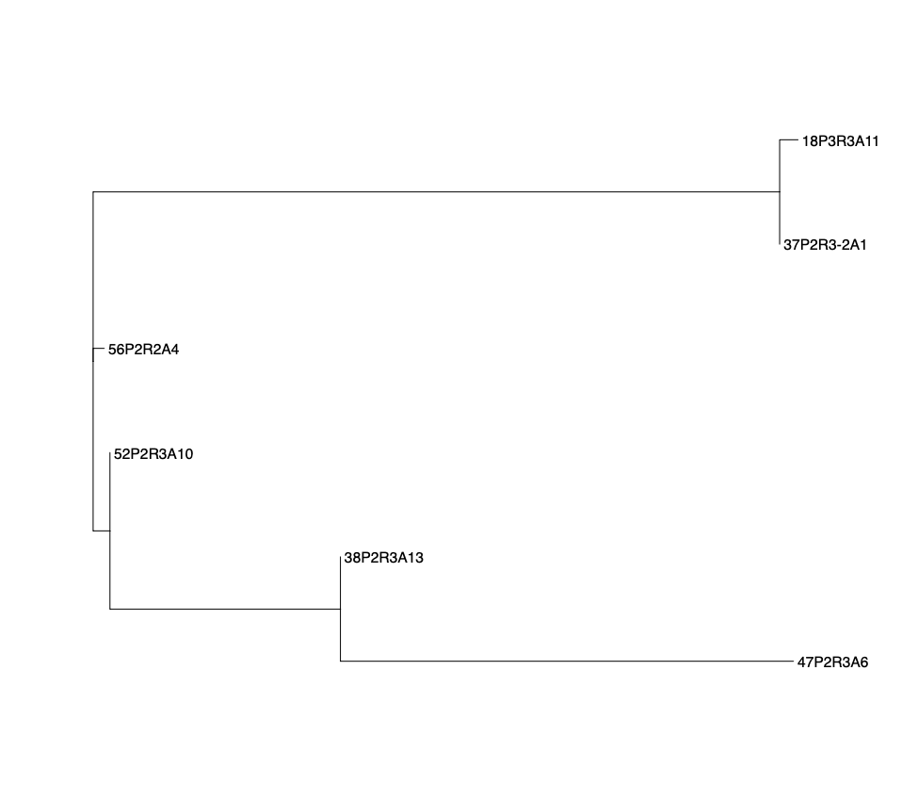
 | 33 | P3 | P3R2A2 | 0 | 0 | 0 | 0 | 0 | 0 | 0 | 10 | 0 | 0 | 0 | 0 | 0 | 0 | 8 | 0 | 0 | 0 | 0 | 0 | 0 | 0 | 0 | 0 | 0 | 0 | 0 | 0 | 0 | 0 | 0 | 1 | 0 | 0 | 0 | 1 | 4 | 1 | 1 | 1 | 0 | 0 | 0 | 0 | 1 | 0 | 0 | 0 | 0 | 0 | 0 | 0 | 0 | 0 | 0 | 0 | 0 | 4 | 0 | 0 | 0 | 1 | 0 | 0 | 0 | 0 | 0 | 0 | 1 | 1 | 0 | 0 | 0 | 0 | 1 | 1 | 0 | 0 | 1 | 1 | 1 | 1 | 1 | 0 | 0 | 0 | 0 | 0 | 0 | 0 | 0 | 0
 | 55 | P3 | P3R1A11 | 0 | 0 | 0 | 0 | 0 | 0 | 0 | 10 | 0 | 0 | 0 | 0 | 0 | 0 | 8 | 0 | 0 | 0 | 0 | 0 | 0 | 0 | 0 | 0 | 0 | 0 | 0 | 0 | 0 | 0 | 0 | 1 | 0 | 0 | 0 | 1 | 4 | 1 | 1 | 1 | 0 | 0 | 0 | 0 | 1 | 0 | 0 | 0 | 0 | 0 | 0 | 0 | 0 | 0 | 0 | 0 | 0 | 4 | 0 | 0 | 0 | 1 | 0 | 0 | 0 | 0 | 0 | 0 | 1 | 1 | 0 | 0 | 0 | 0 | 1 | 1 | 0 | 0 | 1 | 1 | 1 | 1 | 1 | 0 | 0 | 0 | 0 | 0 | 0 | 0 | 0 | 0
 | 34 | P3 | P3R2A10 | 0 | 0 | 0 | 0 | 0 | 0 | 0 | 10 | 0 | 0 | 0 | 0 | 0 | 0 | 8 | 0 | 0 | 0 | 0 | 0 | 0 | 0 | 0 | 0 | 0 | 0 | 0 | 0 | 0 | 0 | 0 | 1 | 0 | 0 | 0 | 1 | 4 | 1 | 1 | 1 | 0 | 0 | 0 | 0 | 1 | 0 | 0 | 0 | 0 | 0 | 0 | 0 | 0 | 0 | 0 | 0 | 0 | 4 | 0 | 0 | 0 | 1 | 0 | 0 | 0 | 0 | 0 | 0 | 1 | 1 | 0 | 0 | 1 | 0 | 1 | 1 | 0 | 0 | 1 | 1 | 1 | 1 | 1 | 0 | 0 | 0 | 0 | 0 | 0 | 0 | 0 | 0 | 1 | 4 | 1 | 1 | 1 | 1 | 1 | 1 | 0 | 2 | 7 | 2 | 2 | 1 | 1 | 1 | 1 | 4 | 1 | 1 | 2 | 0 | 1 | 1 | 0 | 1 | 1 | 1 | 1 | 2 | 1 | 1 | 1 | 1 | 1 | 1 | 1 | 1 | 1 | 1 | 1 | 1 | 5 | 1 | 1 | 3 | 1 | 1 | 1 | 1 | 8 | 5 | 13 | 1 | 2 | 8 | 10 | 0 | 1 | 14 | 5 | 8 | 3 | 1 | 1 | 1 | 1 | 13 | 1 | 3 | 1 | 1 | 2 | 1 | 1 | 1 | 1 | 5 | 6 | 4 | 5 | 1 | 13 | 1 | 11 | 9 | 2 | 1 | 1 | 1 | 1 | 3 | 2
Enterobacter
 | 18 | P3 | P3R3A11 | 0 | 0 | 0 | 0 | 0 | 0 | 0 | 0 | 0 | 0 | 0 | 0 | 0 | 0 | 0 | 0 | 0 | 0 | 0 | 0 | 0 | 0 | 0 | 0 | 0 | 0 | 0 | 0 | 0 | 0 | 0 | 0 | 0 | 0 | 0 | 0 | 0 | 0 | 0 | 0 | 0 | 0 | 0 | 0 | 0 | 0 | 0 | 0 | 0 | 0 | 0 | 0 | 0 | 0 | 0 | 0 | 0 | 0 | 0 | 0 | 0 | 0 | 0 | 0 | 0 | 0 | 0 | 0 | 0 | 0 | 0 | 0 | 0 | 0 | 0 | 0 | 0 | 0 | 0 | 0 | 0 | 0 | 0 | 0 | 0 | 0 | 0 | 0 | 0 | 0 | 0 | 7

 | 37 | P2 | P2R3A1-2 | 0 | 0 | 0 | 0 | 0 | 0 | 0 | 0 | 0 | 0 | 0 | 0 | 0 | 0 | 0 | 0 | 0 | 0 | 0 | 0 | 0 | 0 | 0 | 0 | 0 | 0 | 0 | 0 | 0 | 0 | 0 | 0 | 0 | 0 | 0 | 0 | 0 | 0 | 0 | 0 | 0 | 0 | 0 | 0 | 0 | 0 | 0 | 0 | 0 | 0 | 0 | 0 | 0 | 0 | 0 | 0 | 0 | 0 | 0 | 0 | 0 | 0 | 0 | 0 | 0 | 0 | 0 | 0 | 0 | 0 | 0 | 0 | 0 | 0 | 0 | 0 | 0 | 0 | 0 | 0 | 0 | 0 | 0 | 0 | 0 | 0 | 0 | 0 | 0 | 0 | 0 | 4

 | 56 | P2 | P2R2A4 | 0 | 0 | 0 | 0 | 0 | 0 | 0 | 0 | 0 | 0 | 0 | 0 | 0 | 0 | 0 | 0 | 0 | 0 | 0 | 0 | 0 | 0 | 0 | 0 | 0 | 0 | 0 | 0 | 0 | 0 | 0 | 0 | 0 | 0 | 0 | 0 | 0 | 0 | 0 | 0 | 0 | 0 | 0 | 0 | 0 | 0 | 0 | 0 | 0 | 10 | 0 | 0 | 0 | 0 | 0 | 0 | 0 | 0 | 0 | 0 | 0 | 0 | 0 | 0 | 0 | 0 | 6 | 0 | 0 | 0 | 0 | 0 | 0 | 0 | 0 | 0 | 0 | 0 | 0 | 0 | 0 | 0 | 0 | 0 | 0 | 0 | 0 | 0 | 0 | 0 | 0 | 8

 | 52 | P2 | P2R3A10 | 0 | 0 | 0 | 0 | 0 | 0 | 0 | 0 | 0 | 0 | 0 | 0 | 0 | 0 | 0 | 0 | 0 | 0 | 0 | 0 | 0 | 0 | 0 | 0 | 0 | 0 | 0 | 0 | 0 | 0 | 0 | 0 | 0 | 0 | 0 | 0 | 0 | 0 | 0 | 0 | 0 | 0 | 0 | 0 | 0 | 0 | 0 | 0 | 0 | 0 | 0 | 0 | 0 | 0 | 0 | 0 | 0 | 0 | 0 | 0 | 0 | 0 | 0 | 0 | 0 | 0 | 0 | 0 | 0 | 0 | 0 | 0 | 0 | 0 | 0 | 0 | 0 | 0 | 0 | 0 | 0 | 0 | 0 | 0 | 0 | 0 | 0 | 0 | 0 | 0 | 0 | 0

 | 38 | P2 | P2R3A13 | 0 | 0 | 0 | 0 | 0 | 0 | 0 | 0 | 0 | 0 | 0 | 0 | 0 | 0 | 0 | 0 | 0 | 0 | 18 | 0 | 0 | 0 | 0 | 0 | 0 | 0 | 0 | 0 | 0 | 0 | 0 | 0 | 0 | 0 | 0 | 0 | 0 | 0 | 0 | 0 | 0 | 0 | 0 | 0 | 0 | 0 | 0 | 0 | 0 | 0 | 9 | 4 | 0 | 0 | 0 | 0 | 0 | 0 | 0 | 0 | 0 | 0 | 0 | 0 | 0 | 0 | 10 | 0 | 0 | 0 | 0 | 0 | 0 | 0 | 0 | 0 | 0 | 0 | 0 | 0 | 0 | 0 | 0 | 0 | 0 | 0 | 0 | 0 | 0 | 0 | 1 | 0

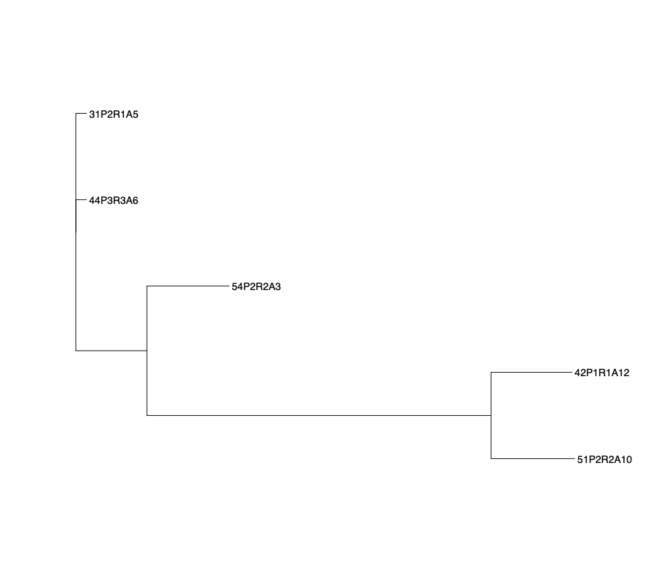
 | 47 | P2 | P2R3A6 | 0 | 0 | 0 | 0 | 0 | 0 | 0 | 0 | 0 | 0 | 0 | 0 | 0 | 0 | 0 | 0 | 0 | 0 | 18 | 0 | 0 | 0 | 0 | 0 | 0 | 0 | 0 | 0 | 0 | 0 | 0 | 0 | 0 | 0 | 0 | 0 | 0 | 0 | 0 | 0 | 0 | 0 | 0 | 0 | 0 | 0 | 0 | 0 | 0 | 0 | 0 | 5 | 0 | 0 | 0 | 0 | 0 | 0 | 0 | 0 | 0 | 0 | 0 | 0 | 0 | 0 | 1 | 0 | 0 | 0 | 0 | 0 | 0 | 0 | 0 | 0 | 0 | 0 | 0 | 0 | 0 | 0 | 0 | 0 | 0 | 0 | 0 | 0 | 0 | 0 | 1 | 0

Klebsiella
 | 31 | P2 | P2R1A5 | 0 | 0 | 0 | 0 | 0 | 0 | 0 | 0 | 0 | 0 | 0 | 3 | 3 | 0 | 0 | 0 | 0 | 0 | 0 | 0 | 0 | 0 | 0 | 0 | 0 | 0 | 0 | 0 | 0 | 0 | 0 | 0 | 0 | 0 | 0 | 0 | 0 | 0 | 0 | 0 | 0 | 0 | 0 | 0 | 0 | 0 | 0 | 0 | 0 | 0 | 0 | 0 | 0 | 0 | 0 | 0 | 0 | 0 | 0 | 0 | 0 | 0 | 0 | 0 | 0 | 0 | 0 | 0 | 0 | 0 | 0 | 0 | 0 | 0 | 0 | 0 | 0 | 0 | 0 | 0 | 0 | 0 | 0 | 0 | 0 | 0 | 0 | 0 | 0 | 0 | 0 | 0

 | 44 | P3 | P3R3A6 | 0 | 0 | 0 | 0 | 0 | 0 | 0 | 0 | 0 | 0 | 0 | 3 | 6 | 0 | 0 | 0 | 0 | 0 | 0 | 19 | 0 | 0 | 0 | 35 | 0 | 1 | 0 | 0 | 0 | 0 | 0 | 0 | 0 | 0 | 0 | 0 | 0 | 0 | 0 | 0 | 3 | 0 | 0 | 0 | 0 | 0 | 0 | 0 | 0 | 0 | 0 | 0 | 3 | 10 | 0 | 0 | 0 | 0 | 0 | 0 | 0 | 0 | 4 | 0 | 0 | 0 | 4 | 0 | 0 | 0 | 0 | 0 | 0 | 0 | 0 | 0 | 0 | 0 | 0 | 0 | 0 | 0 | 0 | 0 | 0 | 0 | 0 | 0 | 5 | 0 | 0 | 0

 | 54 | P2 | P2R2A3 | 0 | 0 | 5 | 0 | 0 | 0 | 0 | 0 | 0 | 0 | 0 | 3 | 3 | 0 | 0 | 0 | 0 | 0 | 0 | 8 | 0 | 0 | 0 | 0 | 0 | 0 | 0 | 0 | 0 | 0 | 0 | 0 | 1 | 1 | 0 | 0 | 0 | 0 | 0 | 0 | 2 | 0 | 0 | 0 | 0 | 0 | 1 | 0 | 0 | 0 | 0 | 0 | 0 | 0 | 1 | 0 | 1 | 0 | 0 | 1 | 1 | 0 | 1 | 0 | 1 | 0 | 1 | 1 | 1 | 0 | 0 | 1 | 0 | 1 | 1 | 1 | 1 | 1 | 0 | 0 | 1 | 1 | 1 | 1 | 29 | 3 | 27 | 1 | 2 | 0 | 0 | 0

 | 42 | P1 | P1R1A12 | 0 | 0 | 0 | 0 | 0 | 0 | 0 | 0 | 0 | 0 | 0 | 7 | 3 | 0 | 0 | 0 | 0 | 0 | 0 | 0 | 0 | 0 | 0 | 0 | 0 | 0 | 0 | 0 | 0 | 0 | 0 | 0 | 0 | 0 | 0 | 0 | 0 | 0 | 0 | 0 | 0 | 0 | 0 | 1 | 0 | 0 | 0 | 0 | 0 | 0 | 0 | 0 | 0 | 0 | 0 | 0 | 0 | 0 | 0 | 0 | 0 | 0 | 5 | 0 | 0 | 0 | 0 | 0 | 0 | 0 | 0 | 0 | 0 | 0 | 0 | 0 | 0 | 0 | 0 | 0 | 8 | 0 | 0 | 0 | 0 | 0 | 0 | 0 | 0 | 8 | 0 | 0

 | 51 | P2 | P2R2A10 | 0 | 0 | 0 | 0 | 0 | 0 | 0 | 0 | 0 | 0 | 0 | 0 | 0 | 0 | 0 | 0 | 0 | 0 | 0 | 0 | 0 | 0 | 0 | 0 | 0 | 0 | 0 | 0 | 0 | 0 | 0 | 0 | 0 | 0 | 0 | 0 | 0 | 0 | 0 | 0 | 0 | 0 | 1 | 0 | 0 | 0 | 0 | 0 | 0 | 0 | 0 | 0 | 0 | 0 | 0 | 10 | 0 | 0 | 0 | 0 | 0 | 0 | 0 | 0 | 0 | 0 | 19 | 0 | 0 | 0 | 0 | 0 | 0 | 0 | 0 | 0 | 0 | 0 | 0 | 0 | 0 | 0 | 0 | 0 | 0 | 0 | 0 | 0 | 0 | 0 | 0 | 0

